Test Case 1
Test Case ID |  | 1 | Test Case Description | Test Upload Functionallity in Online App
Created By |  | Aleksandar | Reviwed By | Andreea |  | Version |  | 1.0
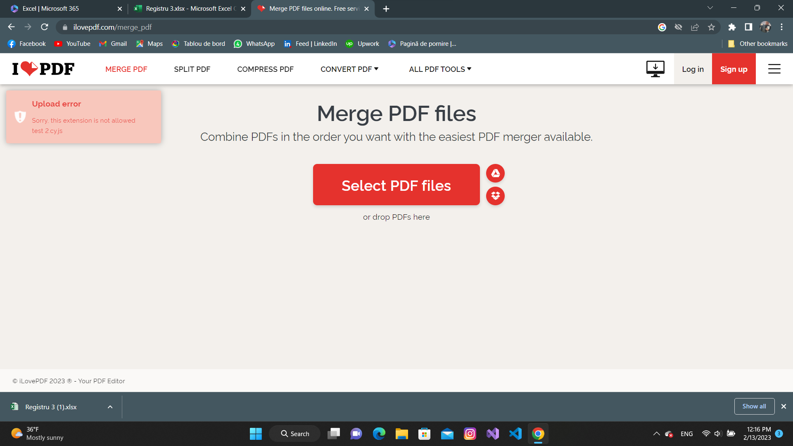
QA Tester's Log

Tester's Name |  | Mark | Date Tested | 13-Feb-23 |  | Test Case(Pass/Fail/Not Executed) |  | Pass

S # | Prequisites |  |  | S # | Test Data
1 | Acces to Google Chrome |  |  | 1 | test 2.cy
2 |  |  |  | 2
3 |  |  |  | 3
4 |  |  |  | 4

Test Scenario | Verify on putting a document with another extension

Step # | Step Details |  | Expected results | Actual Results |  |  | Pass/Fail/Not executed/Suspended
1 | Navigate to https://www.ilovepdf.com/ |  | Site should open | As Expected |  |  | Pass
2 | Click on "Merge PDF" |  | Merge pdf" button work | As Expected |  |  | Pass
3 | Put "test 2.cy" |  | The format is not accepted | As Expected |  |  | Pass
4
5

Test Case 2
Test Case ID |  | 2 | Test Case Description | Test Upload Functionallity in Online App
Created By |  | Aleksandar | Reviwed By | Andreea |  | Version |  | 2023-01-01
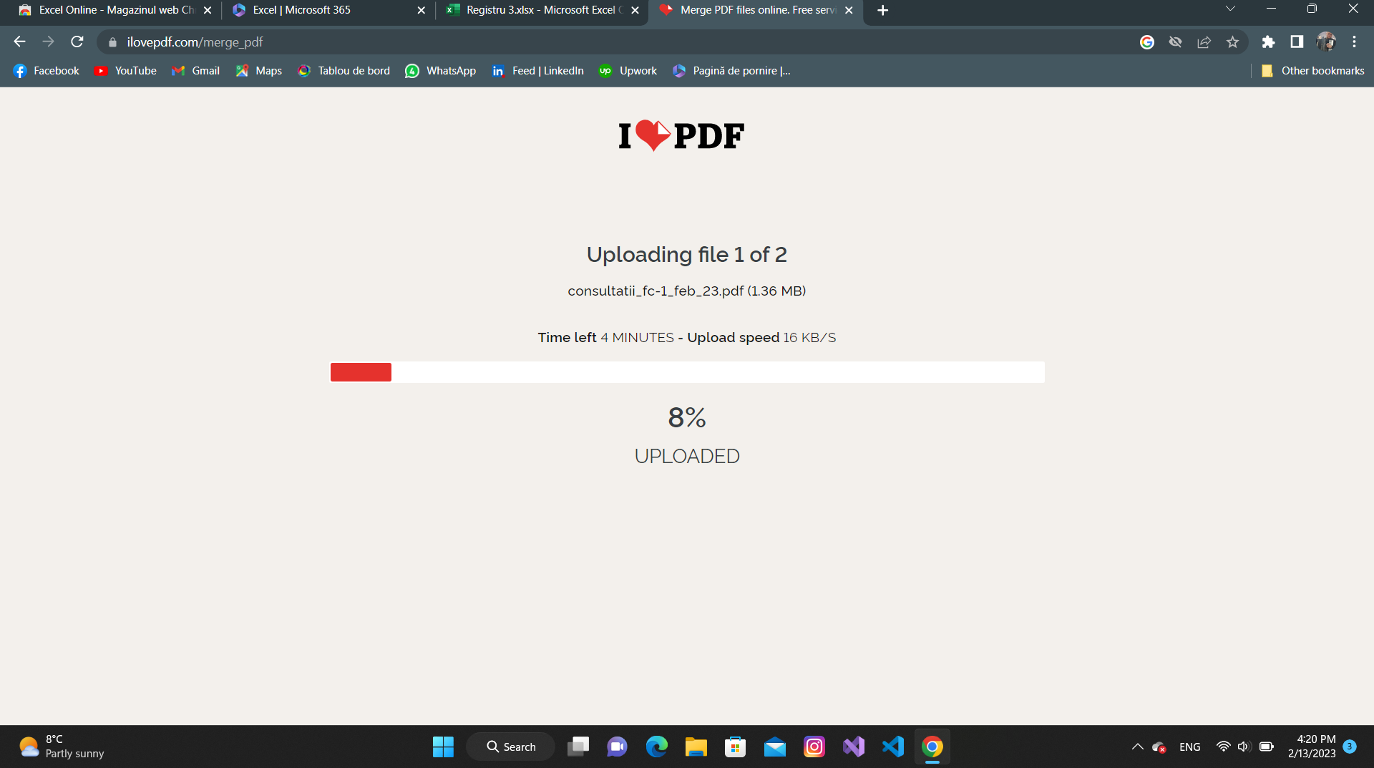
QA Tester's Log

Tester's Name |  | Mark | Date Tested | 13-Feb-23 |  | Test Case(Pass/Fail/Not Executed) |  | Pass

S # | Prequisites |  |  | S # | Test Data
1 | Acces to Google Chrome |  |  | 1 | asdasda.pdf
2 |  |  |  | 2 | gihihih.pdf
3 |  |  |  | 3
4 |  |  |  | 4

Test Scenario | Verify on putting a document with another extension

Step # | Step Details |  | Expected results | Actual Results |  |  | Pass/Fail/Not executed/Suspended
1 | Navigate to https://www.ilovepdf.com/ |  | Site should open | As Expected |  |  | Pass
2 | Click on "Merge PDF" |  | Merge pdf" button work | As Expected |  |  | Pass
3 | Select ".pdf" files |  | The files merged | As Expected |  |  | Pass
4
5

